Hypothesis
$H_{0}:β_{1}=0$ (no significance influence of market return on AMRT return)
$H_{a}:β_{1}≠0$ (there is a significance influence of market return on AMRT return)

 | https://www.meracalculator.com/math/t-distribution-critical-value-table.php
 | Critical value t-distribution for two tail test with α = 0,05 and degree of freedom = 260 is 1,9696
 | Rejection area then:
 | t < -1,9696
 | t > 1,9696

Regression |  |  | Correlation
 | t0 | t1 |  | t
 | -0.18155304761 | 5.7176249461 |  | 5.7176249461
Critical value |  |  | Critical value
positive | 1.9696 | 1.9696 | positive | 1.9696
negative | -1.9696 | -1.9696 | negative | -1.9696
Conclusion: |  |  | Conclusion:
Reject H0 | FALSE | TRUE | Reject H0 | TRUE

R Squared
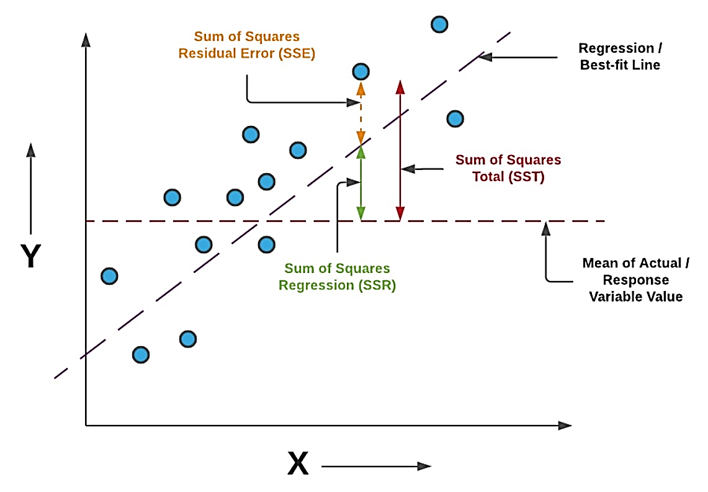
$$SST=SSE+SSR$$
$$\frac{SST}{SST}=\frac{SSE}{SST}+\frac{SSR}{SST}$$
$$1=\frac{SSE}{SST}+\frac{SSR}{SST}$$
$$1−\frac{SSE}{SST}=\frac{SSR}{SST}$$
$${1−R}^{2}=\frac{SSR}{SST}$$
$$R^{2}=1−\frac{\sum{{\left(\hat{y}−\overline{y}\right)}^{2}}}{\sum{{\left(y−\overline{y}\right)}^{2}}}$$
 | SST | Sum of Squared Total
 | SSE | Sum of Squared Explained
 | SSR | Sum of Squared Residuals

 | ŷ | Value of Y in the regression or best fit line
 | Ȳ | Mean of observed Y or expected value of Y

SSE | ∑(ŷ−ȳ)2 | 0.0074892720891 | --- difference between value of Y in best fit line and expected value of Y
SST | ∑(y−ȳ)2 | 0.066594784546 | --- difference between observed value of Y and expected value of Y

 | 1-R2 | 0.88753966035
 | R2 | 0.11246033965

